Sheet1
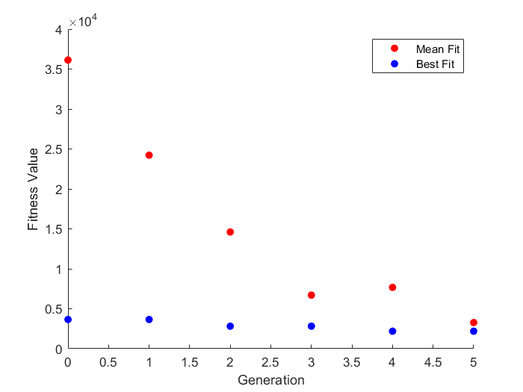
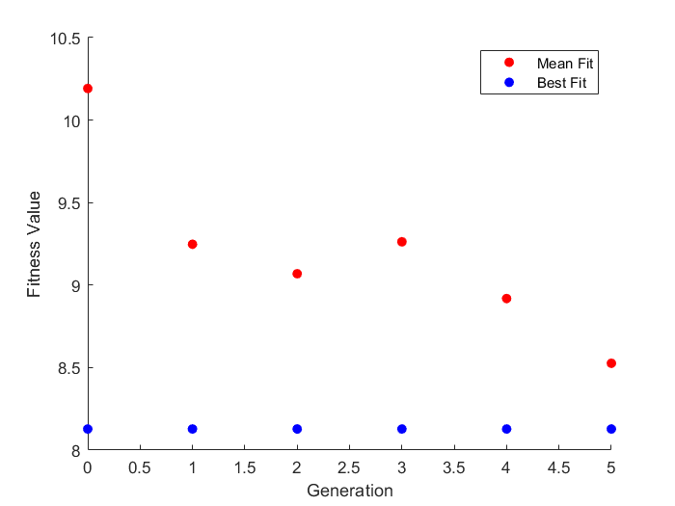
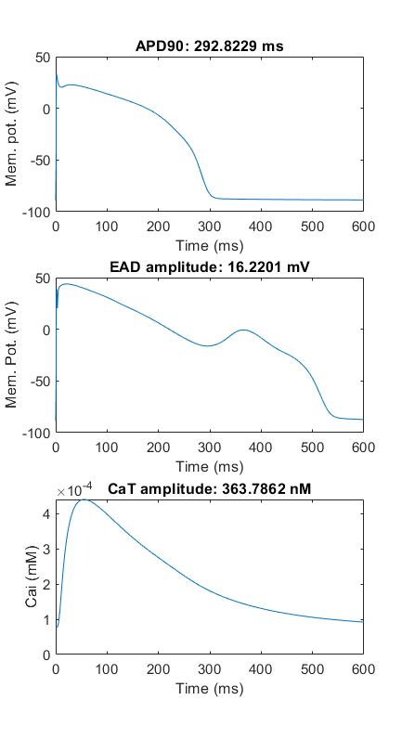
errors(1) = (apd10 - 6)^2 + (apd50 - 220)^2 + (apd90 - 272)^2 + ((CaTamp*1e5) - 31)^2 + (CaT90 - 460)^2 + (CaT50 - 200)^2 + (CaT10 - 65)^2 + (maxV - 350)^2 + (E_EAD-0)^2;
Trial 1 |  |  |  |  |  | Trial 2 |  |  |  |  |  | Trial 3
ICaL | Ikr | Iks | INaL | Jup |  | ICaL | Ikr | Iks | INaL | Jup |  | ICaL | Ikr | Iks | INaL | Jup
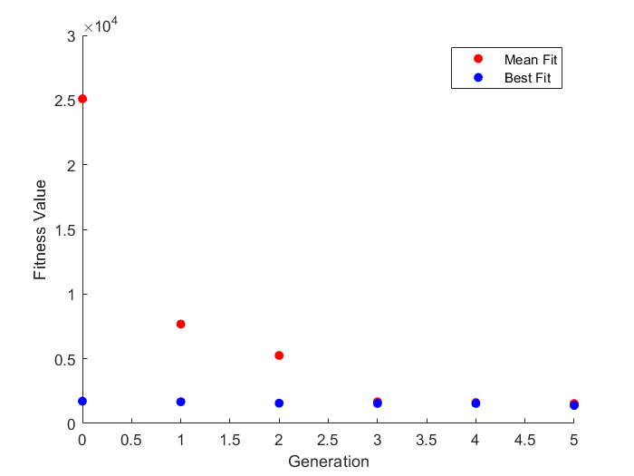
-0.32515344898 | 0.0023814733099 | -0.0024808987625 | -0.14501405021 | 0.13135864639 |  | 0.66164376812 | 0.22734644227 | 0.25663108143 | -0.11457254032 | -0.0085654187452 |  | 0.7 | 0.26467601023 | 0.3 | 0.7 | -0.017270949905
0.72241649106 | 1.0023843113 | 0.99752217612 | 0.86501013945 | 1.1403767 |  | 1.9379752997 | 1.2552646694 | 1.2925681864 | 0.89174724844 | 0.99147115994 |  | 2.0137527075 | 1.3030087459 | 1.3498588076 | 2.0137527075 | 0.98287733803

-0.32515344898 | 0.0023814733099 | -0.0024808987625 | -0.14501405021 | 0.13135864639 |  | 0.66164376812 | 0.22734644227 | 0.25663108143 | -0.11457254032 | -0.0085654187452 |  | 0.7 | 0.26467601023 | 0.3 | 0.7 | -0.057384451934
-0.34240156309 | 0.0023814733099 | -0.0024808987625 | -0.42380948106 | 0.13135864639 |  | 0.63117258238 | 0.31729193945 | 0.15198326978 | -0.016120049573 | -0.0085654187452 |  | 0.7 | 0.26467601023 | 0.3 | 0.7 | -0.057384451934
-0.34240156309 | 0.0023814733099 | -0.0024808987625 | -0.42380948106 | 0.13135864639 |  | 0.63117258238 | 0.31729193945 | 0.25663108143 | -0.11457254032 | -0.0085654187452 |  | 0.7 | 0.26467601023 | -0.7 | 0.7 | -0.017270949905
0.61364217636 | 0.12821694782 | -0.0024808987625 | 0.66386807732 | -0.13707593335 |  | 0.63117258238 | 0.31729193945 | 0.25663108143 | -0.11457254032 | -0.0085654187452 |  | 0.7 | 0.26467601023 | -0.7 | 0.7 | -0.017270949905
0.61364217636 | 0.12821694782 | -0.54255267026 | 0.66386807732 | -0.13707593335 |  | 0.63117258238 | 0.31729193945 | 0.25663108143 | -0.11457254032 | -0.0085654187452 |  | 0.7 | 0.26467601023 | -0.7 | 0.7 | -0.017270949905
-0.32515344898 | 0.0023814733099 | -0.0024808987625 | -0.14501405021 | 0.13135864639 |  | 0.63117258238 | 0.31729193945 | 0.25663108143 | -0.11457254032 | -0.0085654187452 |  | 0.7 | 0.26467601023 | -0.7 | 0.7 | -0.017270949905
-0.34240156309 | 0.12821694782 | -0.54255267026 | -0.42380948106 | 0.13135864639 |  | 0.63117258238 | 0.31729193945 | 0.25663108143 | -0.11457254032 | -0.0085654187452 |  | 0.7 | 0.26467601023 | -0.7 | 0.7 | -0.017270949905
0.61364217636 | 0.12821694782 | -0.54255267026 | 0.66386807732 | -0.13707593335 |  | 0.63117258238 | 0.31729193945 | 0.15198326978 | -0.11457254032 | -0.0085654187452 |  | 0.7 | 0.26467601023 | 0.3 | 0.7 | -0.017270949905
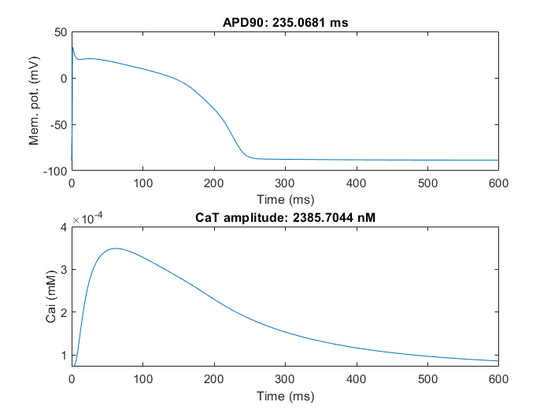
-0.32515344898 | 0.0023814733099 | -0.0024808987625 | -0.14501405021 | 0.13135864639 |  | 0.63117258238 | 0.31729193945 | 0.25663108143 | -0.11457254032 | -0.0085654187452 |  | 0.7 | 0.26467601023 | -0.7 | 0.7 | -0.017270949905
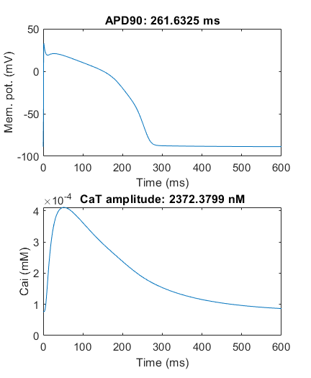
-0.27990156309 | 0.08050647331 | -0.0024808987625 | -0.29880948106 | 0.22510864639 |  | -0.33835623188 | 0.22734644227 | 0.25663108143 | -0.11457254032 | -0.0085654187452 |  | 0.7 | 0.26467601023 | -0.2 | 0.7 | -0.017270949905
Errors
16120.123974 | 3387.8640113 | 3387.8640113 | 3387.8640113 | 3387.8640113 | 3387.8640113 | 6354.6429009 | 3655.0798836 | 3655.0798836 | 2815.8367684 | 2815.8367684 | 2191.1696376 | 1716.8650062 | 1716.8650062 | 1670.4537482 | 1564.257131 | 1546.6365385 | 1546.6365385
5939.6764683 | 5939.6764683 | 4044.911865 | 4044.911865 | 4044.911865 | 4044.911865 | 17754.669429 | 6354.6429009 | 6318.3605181 | 3655.0798836 | 3655.0798836 | 2815.8367684 | 7123.581715 | 2709.5523783 | 1716.8650062 | 1670.4537482 | 1564.257131 | 1546.6365385
19592.094063 | 16120.123974 | 5939.6764683 | 5939.6764683 | 5705.4917793 | 4044.911865 | 64581.198174 | 17754.669429 | 6354.6429009 | 3655.0798836 | 3655.0798836 | 3655.0798836 | 40953.696512 | 4366.4137871 | 1994.7758149 | 1716.8650062 | 1564.257131 | 1564.257131
17764.515805 | 17764.515805 | 5939.6764683 | 5939.6764683 | 5939.6764683 | 5705.4917793 | 47304.742577 | 29664.409086 | 17754.669429 | 6318.3605181 | 3655.0798836 | 3655.0798836 | 98398.124261 | 5635.3530869 | 2709.5523783 | 1716.8650062 | 1564.257131 | 1564.257131
45298.835785 | 18205.604677 | 5939.6764683 | 5939.6764683 | 5939.6764683 | 5939.6764683 | 47631.880933 | 34668.517426 | 29661.704606 | 6354.6429009 | 5654.5248014 | 3655.0798836 | 37202.461251 | 7123.581715 | 2709.5523783 | 1994.7758149 | 1670.4537482 | 1564.257131
3387.8640113 | 9075.6317116 | 26094.866543 | 5939.6764683 | 10005.999024 | 3387.8640113 | 52361.36547 | 29661.704606 | 2815.8367684 | 6354.6429009 | 2191.1696376 | 3655.0798836 | 5635.3530869 | 1994.7758149 | 6439.5687961 | 1670.4537482 | 1716.8650062 | 1564.257131
18205.604677 | 4044.911865 | 12772.590511 | 12772.590511 | 9998.9757781 | 5765.6759685 | 57307.315557 | 34668.517426 | 23310.136093 | 19121.705681 | 3655.0798836 | 3655.0798836 | 2709.5523783 | 3631.0272327 | 1564.257131 | 1564.257131 | 1546.6365385 | 1564.257131
38473.885328 | 5939.6764683 | 5939.6764683 | 8343.9788685 | 4044.911865 | 5939.6764683 | 3655.0798836 | 6318.3605181 | 3655.0798836 | 5654.5248014 | 3655.0798836 | 3620.5199739 | 4366.4137871 | 45193.676954 | 1716.8650062 | 1716.8650062 | 1564.257131 | 1392.1077934
82141.382774 | 17366.968981 | 9075.6317116 | 5705.4917793 | 9075.6317116 | 3387.8640113 | 34668.517426 | 44820.705523 | 34798.457065 | 3655.0798836 | 5654.5248014 | 3655.0798836 | 33112.283052 | 1670.4537482 | 27650.210267 | 1564.257131 | 1670.4537482 | 1564.257131
19827.272177 | 5939.6764683 | 7679.9921637 | 47329.880432 | 16539.16794 | 8845.4036824 | 29664.409086 | 34668.517426 | 17754.669429 | 9458.6602459 | 42178.606895 | 2191.1696376 | 19715.421086 | 2709.5523783 | 4366.4137871 | 1546.6365385 | 1716.8650062 | 1473.1959606

